Sheet1
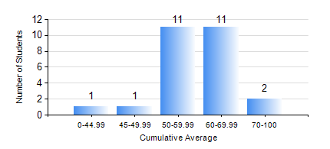
 |  |  | KWAME NKRUMAH UNIVERSITY OF SCIENCE AND TECHNOLOGY, KUMASI Department of Materials Engineering

 |  |  | BSC. METALLURGICAL ENG.

 |  |  | COMPREHENSIVE RECORD OF EXAMINATION RESULTS

 |  |  | RESULTS OF YEAR 4 FIRST SEMESTER, 2018/2019 ACADEMIC YEAR

 | Sn | Course Code |  | Course Name | Credit Hours | Min. Mark | Max. Mark | Avg. Mark | Std. Dev. | No. Passed | No. Trailed | No. (Df) | No. (I) | No. (I*) | No. Tagged(I,I*,Df) | Total
 | 0. |  |  |  |  |  |  | 0 | 0 | 0 | 0 | 0 | 0 | 0 | 0 | 1
 | 1. | ME 491 |  | ENGINEERING ECONOMICS AND MANAGEMENT | 3 | 32 | 73 | 56 | 9.02 | 24 | 1 | 0 | 0 | 0 | 0 | 25
 | 2. | METE 451 |  | METALLURGICAL PLANT DESIGN/OPERATIONS | 3 | 47 | 78 | 64 | 8.69 | 25 | 0 | 0 | 0 | 0 | 0 | 25
 | 3. | METE 453 |  | HYDROMETALLURGY OF LIGHT METALS | 2 | 40 | 77 | 59 | 9.54 | 25 | 0 | 0 | 0 | 0 | 0 | 25
 | 4. | METE 455 |  | VACATION TRAINING | 2 | 67 | 84 | 76 | 4.81 | 25 | 0 | 0 | 0 | 0 | 0 | 25
 | 5. | METE 457 |  | CORROSION AND CORROSION CONTROL | 3 | 15 | 75 | 49 | 13.66 | 21 | 4 | 0 | 0 | 0 | 0 | 25
 | 6. | METE 497 |  | PROJECT I | 3 | 61 | 75 | 67 | 5.57 | 25 | 0 | 0 | 0 | 0 | 0 | 25
 | 7. | MSE 457 |  | METALWORKING PROCESSES | 3 | 40 | 86 | 69 | 13.21 | 25 | 0 | 0 | 0 | 0 | 0 | 25

